Sheet1
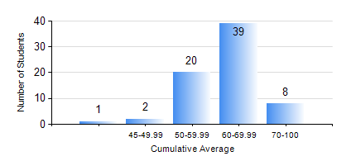
 |  |  | KWAME NKRUMAH UNIVERSITY OF SCIENCE AND TECHNOLOGY, KUMASI Department of Mechanical Engineering

 |  |  | BSC. MARINE ENG.

 |  |  | COMPREHENSIVE RECORD OF EXAMINATION RESULTS

 |  |  | RESULTS OF YEAR 4 SECOND SEMESTER, 2023/2024 ACADEMIC YEAR

 | Sn | Course Code |  | Course Name | Credit Hours | Min. Mark | Max. Mark | Avg. Mark | Std. Dev. | No. Passed | No. Trailed | No. (Df) | No. (I) | No. (I*) | No. Tagged(I,I*,Df) | Total
 | 0. |  |  |  |  |  |  | 0 | 0 | 0 | 0 | 0 | 0 | 0 | 0 | 1
 | 1. | MME 462 |  | MARINE CONTROL ENGINEERING AND AUTOMATION | 3 | 18 | 76 | 60 | 9.68 | 67 | 2 | 0 | 0 | 0 | 0 | 69
 | 2. | MME 476 |  | SHIP CONSTRUCTION | 3 | 60 | 83 | 77 | 5.52 | 69 | 0 | 0 | 0 | 0 | 0 | 69
 | 3. | MME 482 |  | NAVAL ARCHITECTURE II | 2 | 47 | 93 | 70 | 14.85 | 69 | 0 | 0 | 0 | 0 | 0 | 69
 | 4. | MME 486 |  | SHIP SAFETY, ENVIRONMENTAL PROTECTION AND SAFE WATCH KEEPING | 2 | 51 | 98 | 75 | 10.38 | 69 | 0 | 0 | 0 | 0 | 0 | 69
 | 5. | MME 492 |  | SHIP OPERATION, REGULATION AND MANAGEMENT | 2 | 55 | 85 | 76 | 5.24 | 68 | 0 | 0 | 0 | 0 | 1 | 69
 | 6. | MME 494 |  | MARINE MAINTENANCE ENGINEERING | 2 | 40 | 76 | 51 | 9.29 | 69 | 0 | 0 | 0 | 0 | 0 | 69
 | 7. | MME 498 |  | FINAL YEAR PROJECT II | 5 | 59 | 76 | 71 | 4.26 | 69 | 0 | 0 | 0 | 0 | 0 | 69

